Read This First
In this tutorial, information is presented in blue boxes.
An Excel file usually consists of multiple pages (called Worksheets) that can be accessed by clicking on tabs that appear at the bottom of the window.

Instructions are in purple boxes.
Click on the worksheet tabs from left to right to follow the tutorials on each page.

Exercises are presented in red boxes.

 | Yellow highlights mark locations referred to in boxes.

You can also use Excel's built-in help function by pressing F1. Depending on the Excel version and configuration, this may require an internet connection.

This tutorial was developed in Excel 2010. Not all features and functions may work the same way in earlier or later versions of Excel.

Version 1.01 |  | 2015-12-19

Example Question - Parts 1&2
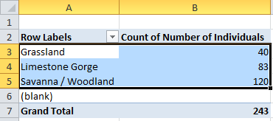
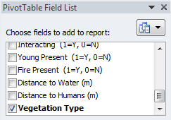
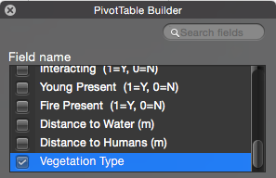
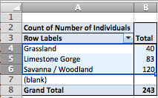
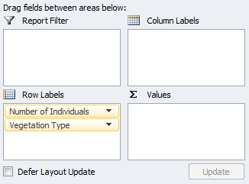
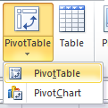

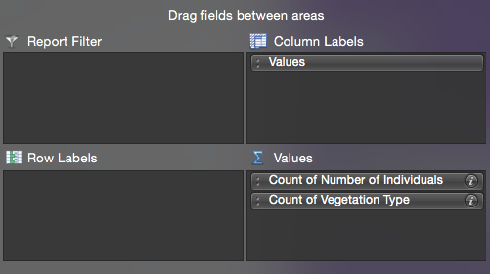
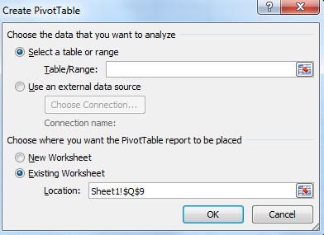
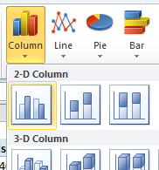
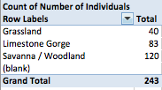
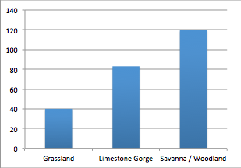
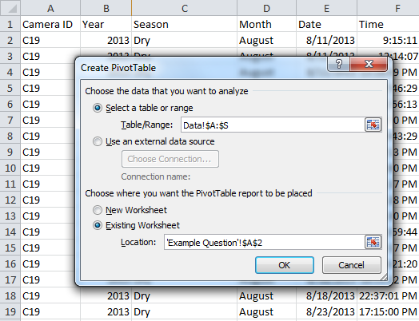
The example question from the part 2 of the activity is: Which vegetation type in Gorongosa has the highest abundance of animals?
To investigate this question, you can create a bar graph showing the total number of animals captured in trail cameras in each of the vegetation types.
A Pivot Table can be used to group data by certain variables. In this example, the numerical variable, "Number of Individuals" is grouped by the categorical variable, "Vegetation type". The grouping variable(s) should be placed in the "Row Labels" field and the variable(s) being grouped should be in the "Values" field. You can group data by more than one variable and you can also group more than one variable.

Part 1 - Make a Pivot Table:
First, you will need to calculate the total number of animals in each vegetation type. One way to do this is to create a Pivot Table.
FOR PC USERS: Click the Insert tab
FOR MAC USERS: Click the "Data" tab:
Click the dropdown arrow next to / below Pivot Table:
PC: MAC:
FOR PC USERS: select "Pivot Table"
FOR MAC USERS: select "Create Manual Pivot Table"
Click on the button next to "Table/Range" (PC) or "Location" (Mac) field.
Navigate to the "Data" tab and click on the letter "A" to highlight the first column. With the left mouse button held down, drag your curser to column "S" to highlight the entire data set. Alternatively, you can type in the Location field: Data!$A:$S
Under "Choose where to place the Pivot Table", select "Existing worksheet" and select cell A2 on this sheet. Click "Ok"
Part 2 - Build the Correct Pivot Table:
In order to create a bar graph that shows the number of animals in each vegetation type, you will need to select the "Number of Individuals" and the "Vegetation Type" Fields in the Pivot Table Field List (PC) / Pivot Table Builder (Mac).
PC: MAC:
FOR PC USERS: These two variables, now appear in the "Riw Labels" field. Drag the "Number of Individuals" variable to the"Values" field.
FOR MAC USERS: These two variables, now appear in the "Values" field. Drag the "Count of Vegetation Type" variable to the"Row Labels" field.
This will produce a table with the three vegetation types in one column and the total number of animals in a column to the right.
Part 3 - Create a Bar Graph:
FOR PC USERS: Select cells A3:B5 in the Pivot Table
FOR MAC USERS: Select cells A4:B6 in the Pivot Table
FOR PC USERS: Click the "Insert" tab and select the Column chart dropdown arrow.
FOR MAC USERS: Click the "Charts" tab and select the Column chart dropdown arrow.
Select a Clustered Column chart under the 2-D Column type.
When the graph pops up, you can click it and drag it to a different location on the spreadsheet.
You should end up with a graph that looks like this:

Example Question - Part 3
Part 3 - Create a Bar Graph:
FOR PC USERS: Select cells A3:B5 in the Pivot Table
FOR MAC USERS: Select cells A4:B6 in the Pivot Table
FOR PC USERS: Click the "Insert" tab and select the Column chart dropdown arrow.
FOR MAC USERS: Click the "Charts" tab and select the Column chart dropdown arrow.
Select a Clustered Column chart under the 2-D Column type.
When the graph pops up, you can click it and drag it to a different location on the spreadsheet.
You should end up with a graph that looks like this:
Count of Number of Individuals
Row Labels | Total
Grassland | 40
Limestone Gorge | 83
Savanna / Woodland | 120
(blank)
Grand Total | 243

Your Question
Before you Begin:
Question 5 from your worksheet asks you to come up with a testable question using the trail camera data set. Now, you will use the techniques that you learned in the example question to create a graph to explore this question.
First, you should ask yourself: what graph do you need to create to help answer your question? Refer to question 11 of your worksheet to determine which variables you will compare in your graph.
Which variable(s) are grouping variables and which ones are being grouped

Part 2 - Build the Correct Pivot Table
Use the instructions from Part 2 of the example question to guide you. You will only select the variables that you need to create your graph. Drag the appropriate grouping variable(s) to the Row Labels field. If you are unsure which variables belong here, test it out and see if the Pivot Table makes sense. You can always drag variables back if you made a mistake
Part 3 - Create a Bar Graph
Use the instructions from Part 3 of the example question to guide you. You will have to select the appropriate cells in the Pivot Table to answer your question.
Part 1 - Make a Pivot Table
Once you know what graph you need to make, the first step is to create a pivot table. Follow the intructions for Part 1, exactly as you did for the example question.

